Bid Tabulation
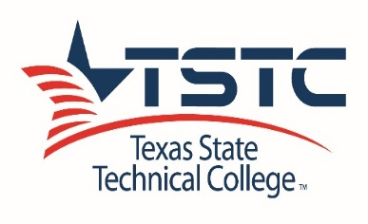
 | Bid Tabulation
 | Solicitation No: | RFQ-17-EW-0001 | Submission Date: | 6/22/2017 at 2:00 pm

 | Solicitation Title: | TSTC Waco - 3rd Party Water Testing

Vendor | Langerman Foster Engineering Company | Alliance Geotechnical Group, Inc. | Mid-Tex Testing, LLC
Contact Name | Scott Langerman | Robert Nance | Spencer Crum
Phone # | (254) 235-1048 | (972) 444-8889 | (254) 732-0175
Email | Slangerman@LFEctx.com | Mance@aggengr.com | spencer@midtextesting.com
Ethnicity / Gender | M/HI | M/BL | Non-HUB

Total Proposal
Qualified (Y/N) | Y | Y | Y

Vendor
Contact Name
Phone #
Email
Ethnicity / Gender

Total Proposal
Qualified (Y/N)

Awarded to | Langerman Foster | Total Bids Sent | 259 | AIM ______ AIF_______
Date | 2017-08-09 | Total Bids Received | 3 | BLM______ BLF_______
Amount |  | HUB Sent | 159 | HIM___1_ HIF________
Req# or PO# | B7418982 | Non-HUB Received | 1 | ASM______ ASF________
 |  | HUB Received | 2 | WOF______

Comments:
Awarded to Langerman Foster.

 |  |  |  | Page 1 of 1

Bid tab 2

 | Bid Tabulation
 | Solicitation No: |  | Submission Date:

 | Solicitation Title:

Vendor |  | Bridge Insights
Contact Name
Phone #
Email
Ethnicity / Gender

Total Proposal
Qualified (Y/N)

Vendor
Contact Name
Phone #
Email
Ethnicity / Gender

Total Proposal
Qualified (Y/N)

Awarded to |  | Total Bids Sent |  | AIM ______ AIF_______
Date |  | Total Bids Received |  | BLM______ BLF_______
Amount |  | HUB Sent |  | HIM______ HIF________
Req# or PO# |  | Non-HUB Received |  | ASM______ ASF________
 |  | HUB Received |  | WOF______

Comments:

 |  |  |  | Page _____ of _______

